ISCP Command
ISCP Command for setting EQ

 | Clip Level | Total Gain | Digital Domain
20.00 | 8.00 | 0.00 | 0.00
20.47 | 8.00 | 0.00 | 0.00
20.94 | 8.00 | 0.00 | 0.00
21.43 | 8.00 | 0.00 | 0.00
21.93 | 8.00 | 0.00 | 0.00
22.44 | 8.00 | 0.00 | 0.00
22.96 | 8.00 | 0.00 | 0.00
23.50 | 8.00 | 0.00 | 0.00
24.05 | 8.00 | 0.00 | 0.00
24.61 | 8.00 | 0.00 | 0.00
25.18 | 8.00 | 0.00 | 0.00
25.76 | 8.00 | 0.00 | 0.00
26.37 | 8.00 | 0.00 | 0.00
26.98 | 8.00 | 0.00 | 0.00
27.61 | 8.00 | 0.00 | 0.00
28.25 | 8.00 | 0.00 | 0.00
28.91 | 8.00 | 0.00 | 0.00
29.58 | 8.00 | 0.00 | 0.00
30.27 | 8.00 | 0.00 | 0.00
30.98 | 8.00 | 0.00 | 0.00
31.70 | 8.00 | 0.00 | 0.00
32.44 | 8.00 | 0.00 | 0.00
33.19 | 8.00 | 0.00 | 0.00
33.96 | 8.00 | 0.00 | 0.00
34.76 | 8.00 | 0.00 | 0.00
35.57 | 8.00 | 0.00 | 0.00
36.39 | 8.00 | 0.00 | 0.00
37.24 | 8.00 | 0.00 | 0.00
38.11 | 8.00 | 0.00 | 0.00
39.00 | 8.00 | 0.00 | 0.00
39.91 | 8.00 | 0.00 | 0.00
40.83 | 8.00 | 0.00 | 0.00
41.79 | 8.00 | 0.00 | 0.00
42.76 | 8.00 | 0.00 | 0.00
43.76 | 8.00 | 0.00 | 0.00
44.77 | 8.00 | 0.00 | 0.00
45.82 | 8.00 | 0.00 | 0.00
46.88 | 8.00 | 0.00 | 0.00
47.98 | 8.00 | 0.00 | 0.00
49.09 | 8.00 | 0.00 | 0.00
50.24 | 8.00 | 0.00 | 0.00
51.41 | 8.00 | 0.00 | 0.00
52.61 | 8.00 | 0.00 | 0.00
53.83 | 8.00 | 0.00 | 0.00
55.08 | 8.00 | 0.00 | 0.00
56.37 | 8.00 | 0.00 | 0.00
57.68 | 8.00 | 0.00 | 0.00
59.02 | 8.00 | 0.00 | 0.00
60.40 | 8.00 | 0.00 | 0.00
61.81 | 8.00 | 0.00 | 0.00
...
 | Extracted automatically | Please set as you like
Band No. | ISCP Command | Filter Type | Cut off [Hz] | Q | Gain [dB]
 |  | EQ:Parametric EQ LSF:Low Shelving HSF:High Shelving LPF:Low Pass HPF:High Pass | Range: 1Hz～20kHz Step: 1Hz | Range: 0.1～10 Step: 0.1 | Range: -12dB～+12dB Step: 0.1dB
Band1 | !1FQ1003E80A0000 | EQ | 1000 | 1 | 0
Band2 | !1FQ2003E80A0000 | EQ | 1000 | 1 | 0
Band3 | !1FQ3003E80A0000 | EQ | 1000 | 1 | 0
Band4 | !1FQ4003E80A0000 | EQ | 1000 | 1 | 0
Band5 | !1FQ5003E80A0000 | EQ | 1000 | 1 | 0
Band6 | !1FQ6003E80A0000 | EQ | 1000 | 1 | 0
Band7 | !1FQ7003E80A0000 | EQ | 1000 | 1 | 0
Band8 | !1FQ8003E80A0000 | EQ | 1000 | 1 | 0
Band9 | !1FQ9003E80A0000 | EQ | 1000 | 1 | 0
Band10 | !1FQA003E80A0000 | EQ | 1000 | 1 | 0
Band11 | !1FQB003E80A0000 | EQ | 1000 | 1 | 0
Band12 | !1FQC003E80A0000 | EQ | 1000 | 1 | 0

 |  |  |  |  |  | If blue line exceeds red line , please press plus button.

ISCP Command for checking status

Band No. | ISCP Command
Band1 | !1FQ1QSTN
Band2 | !1FQ2QSTN
Band3 | !1FQ3QSTN
Band4 | !1FQ4QSTN
Band5 | !1FQ5QSTN
Band6 | !1FQ6QSTN
Band7 | !1FQ7QSTN
Band8 | !1FQ8QSTN
Band9 | !1FQ9QSTN
Band10 | !1FQAQSTN
Band11 | !1FQBQSTN
Band12 | !1FQCQSTN

Headroom | !1FHDQSTN

ISCP Command for initializing

Band No. | ISCP Command
Band1 | !1FQ1003E80A0000
Band2 | !1FQ2003E80A0000
Band3 | !1FQ3003E80A0000
Band4 | !1FQ4003E80A0000
Band5 | !1FQ5003E80A0000
Band6 | !1FQ6003E80A0000
Band7 | !1FQ7003E80A0000
Band8 | !1FQ8003E80A0000
Band9 | !1FQ9003E80A0000
Band10 | !1FQA003E80A0000
Band11 | !1FQB003E80A0000
Band12 | !1FQC003E80A0000

Headroom | !1FHD00

how to use
Setting EQ

 | Copy in the red area

 | Paste to communication tool
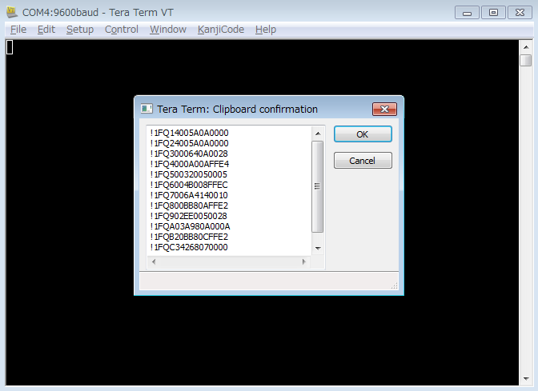

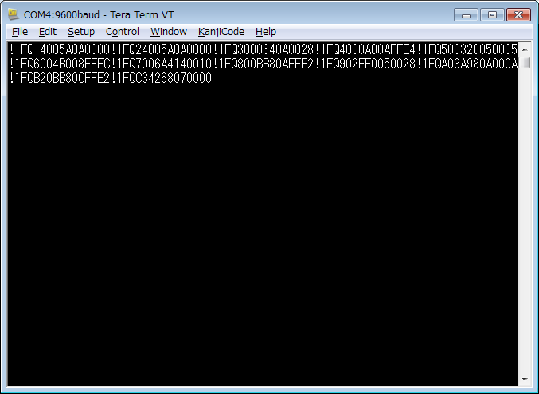

Setting Headroom

 | Copy in the red area

 | Paste to communication tool

Checking EQ

 | Copy in the red area

 | Paste to communication tool
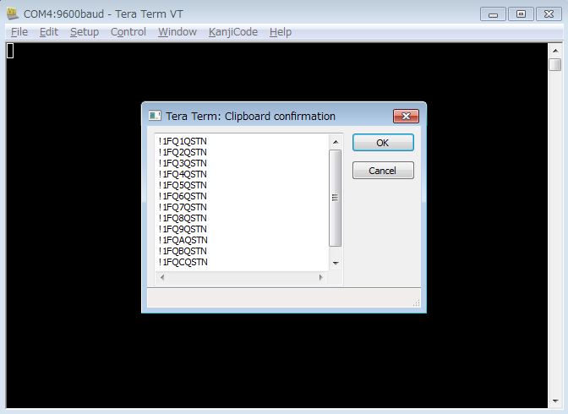

 | You can see the current status
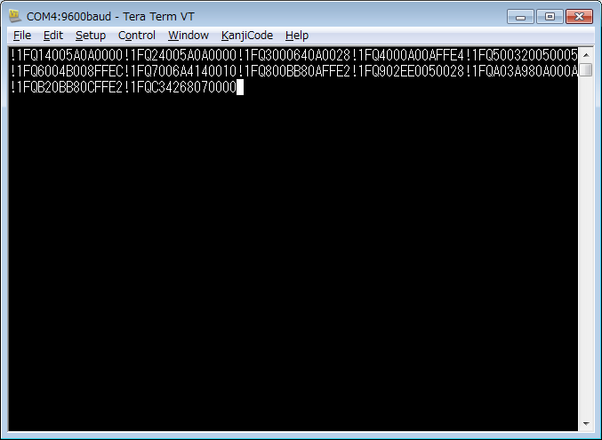

Checking Headroom

 | Copy in the red area

 | Paste to communication tool

Initialiizing

 | Copy in the red area

 | Paste to communication tool

Preset EQ(Sample)
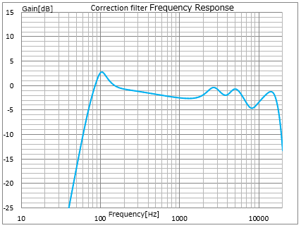
Maker | Model No. | COMMAND | Correction filter Frequency Response
BOSE | DS-16F | !1FQ1400500A0000
 |  | !1FQ24005A0A0000
 |  | !1FQ3000660F001C
 |  | !1FQ40008C05FFEF
 |  | !1FQ500A8C0A0020
 |  | !1FQ600FA00AFFE9
 |  | !1FQ7013240A0032
 |  | !1FQ801F400AFFE7
 |  | !1FQ903A9805002D
 |  | !1FQA2012C02FFEC
 |  | !1FQB203E804FFE2
 |  | !1FQC3445C070000

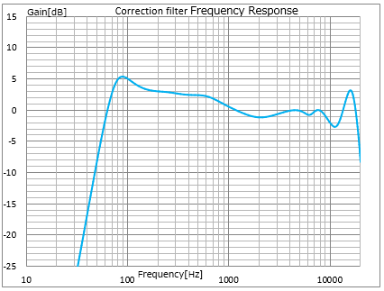
 | DS-40F | !1FQ1400410A0000
 |  | !1FQ24004B0A0000
 |  | !1FQ30005009001E
 |  | !1FQ4000FA040011
 |  | !1FQ500258050012
 |  | !1FQ6007D004FFF1
 |  | !1FQ7011940A0006
 |  | !1FQ80189C0DFFF1
 |  | !1FQ901DB0080011
 |  | !1FQA02CEC0AFFCD
 |  | !1FQB03E800A003D
 |  | !1FQC3445C070000

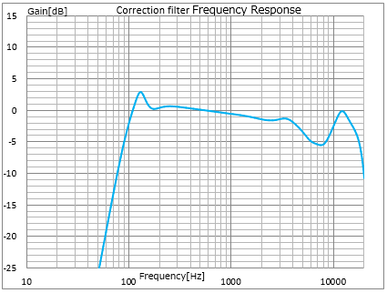
JBL | 24CT | !1FQ14006E0A0000
 |  | !1FQ24006E0A0000
 |  | !1FQ3003E80A0000
 |  | !1FQ40008214001E
 |  | !1FQ5000A00AFFE2
 |  | !1FQ600DAC08000F
 |  | !1FQ7017700AFFF1
 |  | !1FQ801F400AFFE0
 |  | !1FQ902EE00A0021
 |  | !1FQA2032006FFF6
 |  | !1FQB207D008FFF1
 |  | !1FQC34650070000

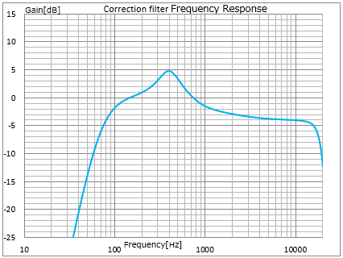
OSUMI | OE-233Ⅱ | !1FQ140046070000
 |  | !1FQ240046070000
 |  | !1FQ3001900A0032
 |  | !1FQ4003E80A0000
 |  | !1FQ5003E80A0000
 |  | !1FQ6003E80A0000
 |  | !1FQ7003E80A0000
 |  | !1FQ8003E80A0000
 |  | !1FQ9003E80A0000
 |  | !1FQA202BC08FFEC
 |  | !1FQB207D005FFEC
 |  | !1FQC34650070000

